Bug report
Bug Report
Project |  | Amazon website
Created By |  | Sushant Mishra
Approved by |  | Mr. Kumar
Date |  | 2024-08-21
Bug Details
Bug ID | Priority | Description | Pre-requisites | Expected Result | Actual Result | Test Execution By | Browser/Device | Screenshot
BUG-002 | Major | Wishlist not saving items after adding them from the product page. | User must be logged in with an active session. | Items should be added to the wishlist successfully and appear in the wishlist section. | After clicking "Add to Wishlist," the item does not appear in the wishlist. | Sushant Mishra | Chrome/Safari | 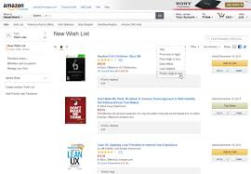
BUG-004 | Critical | "Proceed to Checkout" button not working for international address. | User must have an international shipping address. | Clicking the "Proceed to Checkout" button should take the user to the checkout process. | Button unresponsive for users with international shipping addresses, unable to proceed with checkout. | Sushant Mishra | Edge/Windows 11 | 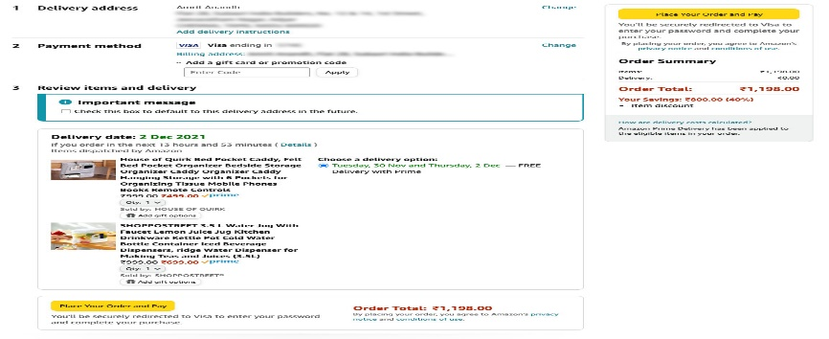
BUG-005 | Critical | Coupon code not applying when using both discount and gift card. | Cart must contain items eligible for both coupon and gift card. | Coupon code should apply and deduct the correct amount when using both a discount and a gift card. | Only gift card discount is applied; coupon discount is ignored. | Sushant Mishra | Chrome/Android 12

